✶ Instructions
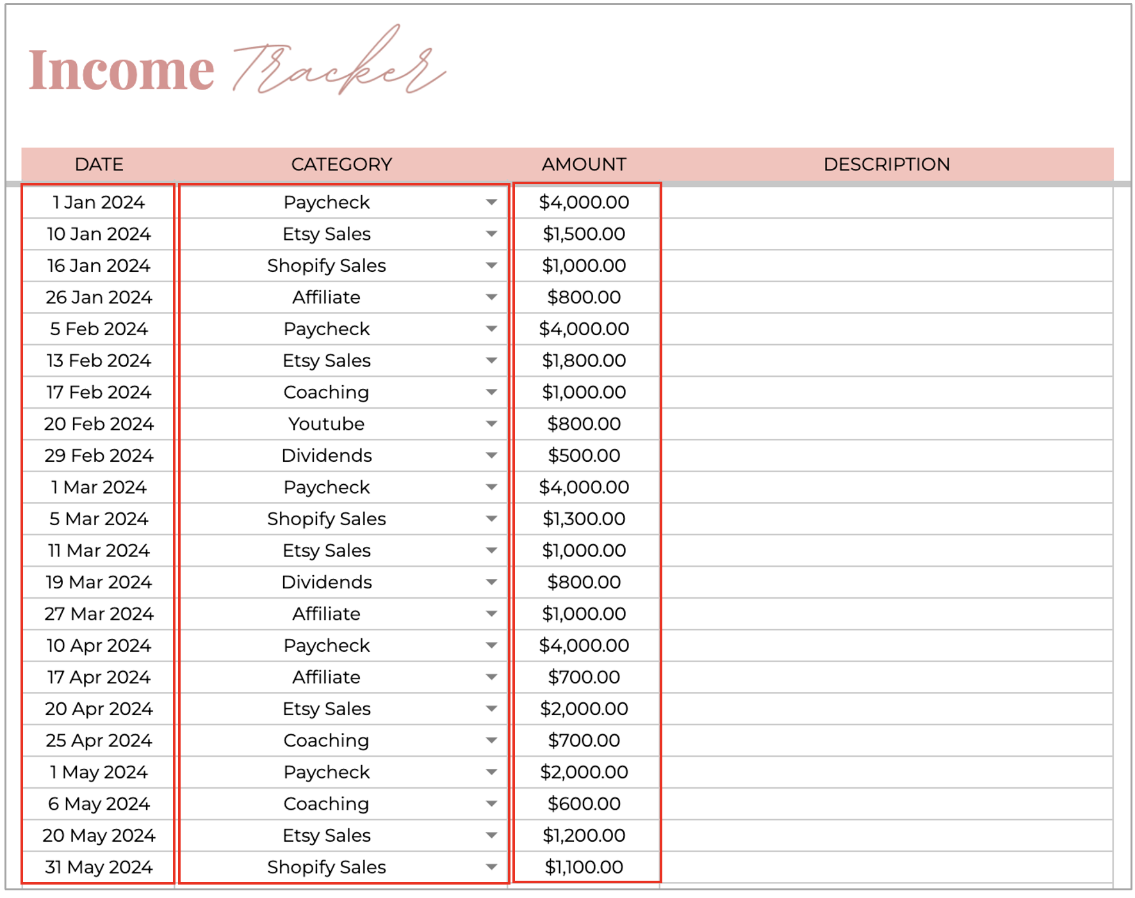
Income & Expense Tracker

This template is designed to track all the Income and Expenses that you have for a 12-month period.
All the calculations are done for you, simply enter your Income and Expenses.

❗️IMPORTANT INFORMATION

📆 To pick a date in the 'Date' columns, simply double-click on cell and the calendar will pop up.
⚠️ Please do not delete any hidden columns. They are used in the formulas to produce your reports.

 | Setup

 | To set up your Income & Expense tracker template go to the 'Categories' tab.
 | Changes made here will auto-populate throughout the spreadsheet.

 | 1.1 Starting year & month (required)

 | The Overview tabs and charts built into this template are designed to include data for a 12-month period.
 | To make sure that the reports show the correct 12-month period, you have to choose the starting year and month.

 | To select the starting year & month, simply double-click on cell D3 in the 'Categories' tab.
 | Select year and month from the pop up calendar (select the day that you're starting from, 28 July 2024, for example).

 | Or, you can enter the starting date manually in cell D3 (use the format MM/DD/YYYY).
 | For example, 07/28/2024.
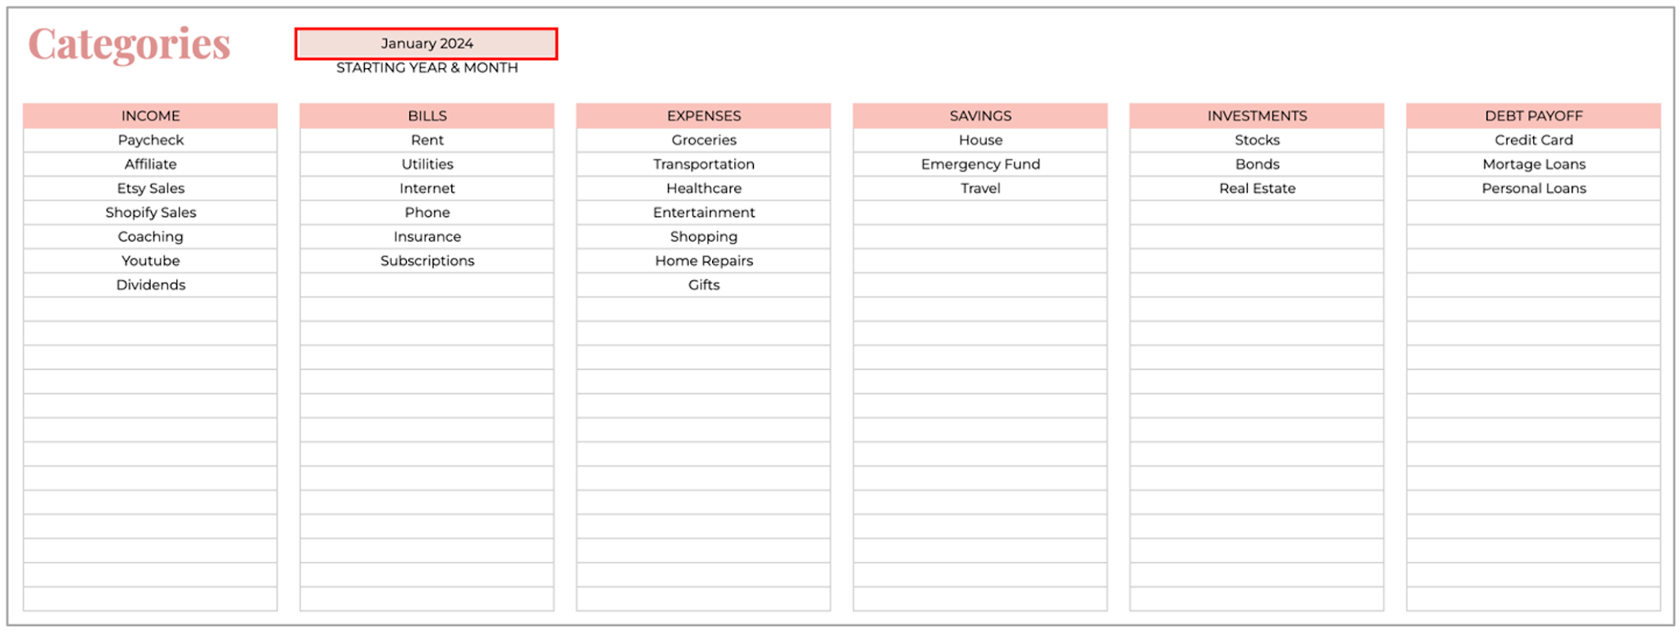

 | 1.2 Catergories (required)

 | The Overview and Monthly Budget tabs group your income and expenses by category.
 | You can add up to 20 categories for each section (income, bills, expenses, savings, investments and debt payoff).

 | Enter your income streams into the 'Income' table (cells B7 to B26),
 | then enter your recurring bill categories into the 'Bills' table (cells D7 to D26), etc.

 | Add categories for every section that you'd like to use.
 | You can add additional categories later (❗️please do that in the 'Categories' tab only).
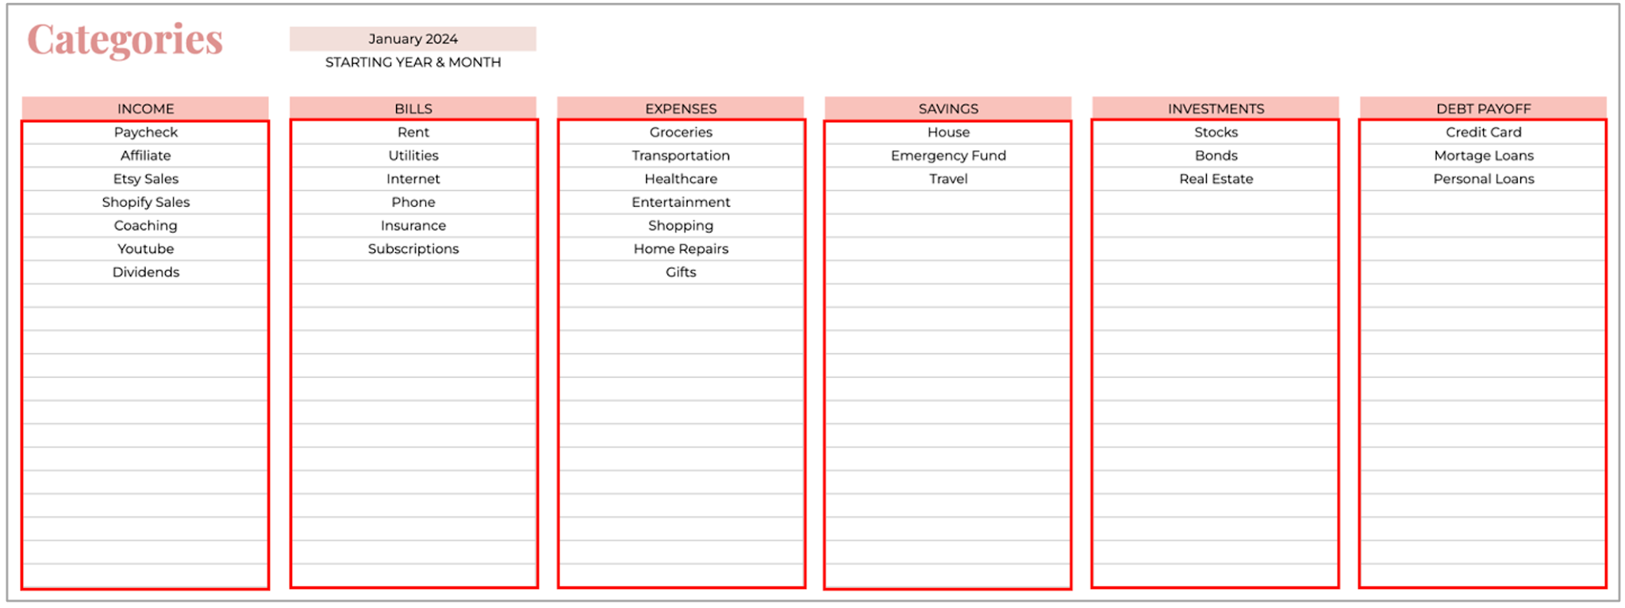

 | Annual Budget tab

 | This is a zero-based budget tab, where you can set your monthly budget for each category.
 | The zero-based budget row indicates how close you are to zero dollars left to budget.

 | Later you can compare monthly budget and actual amounts in the Monthly Budget tab.

 | Simply enter your monthly budget amounts for each category. All the totals calculate automatically.
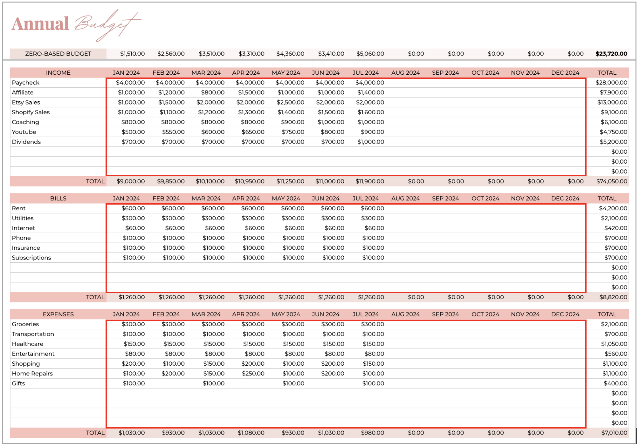

 | Income tab

 | Now you can start entering your transactions into the Income tab.
 | All the monthly and annual totals will be calculated for you and can be found in the Monthly and Annual Overview tabs.

 | Required columns are:

 | - Date: double-click on cell to select a transaction date from the pop up calendar.
 | Or, enter the date manually using the format: MM/DD/YYYY.

 | - Category: Based on the categories that you set up in the 'Categories' tab,
 | you have to select one of the income streams from the dropdown menu.

 | - Amount: Enter the income amount into this column.

 | ⚠️ Charts and tables in the Overview tabs won't update if at least one of the 3 required columns is not filled in.

 | Required columns for each transaction are highlighted in red ⬇

 | Optional columns are:

 | - Description: you can add some notes for your reference here.

 | Transactions tab

 | The Transactions tab works almost the same way as the Income tab.
 | Here you can add your bill payments, expenses, savings, investments and debt payments.

 | Required columns for each transaction are:

 | - Date: double-click on cell to select a transaction date from the pop up calendar.
 | Or, enter the date manually using the format: MM/DD/YYYY.

 | - Transaction Type: Select the transaction type (bills, expenses, savings, investments or debt).

 | - Category: Based on the categories that you set up in the 'Categories' tab,
 | you have to select one of the categories from the dropdown menu.

 | ❗️Categories will update depending on the option selected in the 'Transaction Type' column.

 | - Amount: Enter the total transaction amount into this column.

 | ⚠️ Charts and tables in the Overview tabs won't update if at least one of the 4 required columns is not filled in.

 | Required columns for each transaction are highlighted in red ⬇

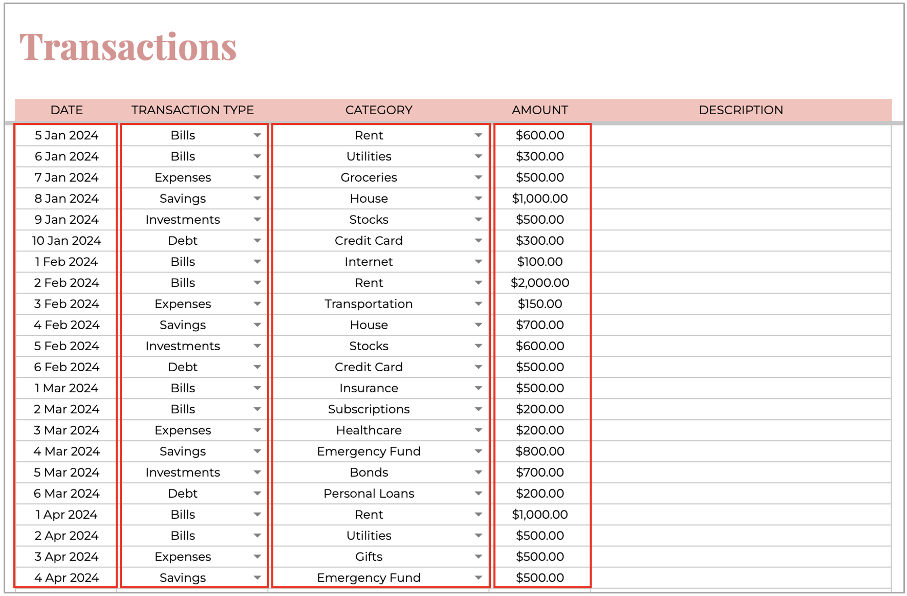

 | Optional columns are:

 | - Description: You can add some notes for your reference here.

 | Annual Overview tab

 | The Annual Overview tab is completely automated, it will take all the data you filled in the Categories, Income and Transactions tabs.
 | ⚠️ Please do not type in this tab.

 | In the Annual Overview tab you’ll find the following information:

 | - Annual summary
 | - Total income by month & by category
 | - Total bills by month & by category
 | - Total expenses by month & by category
 | - Total savings by month & by category
 | - Total investments by month & by category
 | - Total debt payments by month & by category

 |  | This chart shows your total income, |  | This chart shows your annual
 |  | compared to bills & expenses. |  | spending breakdown in %.

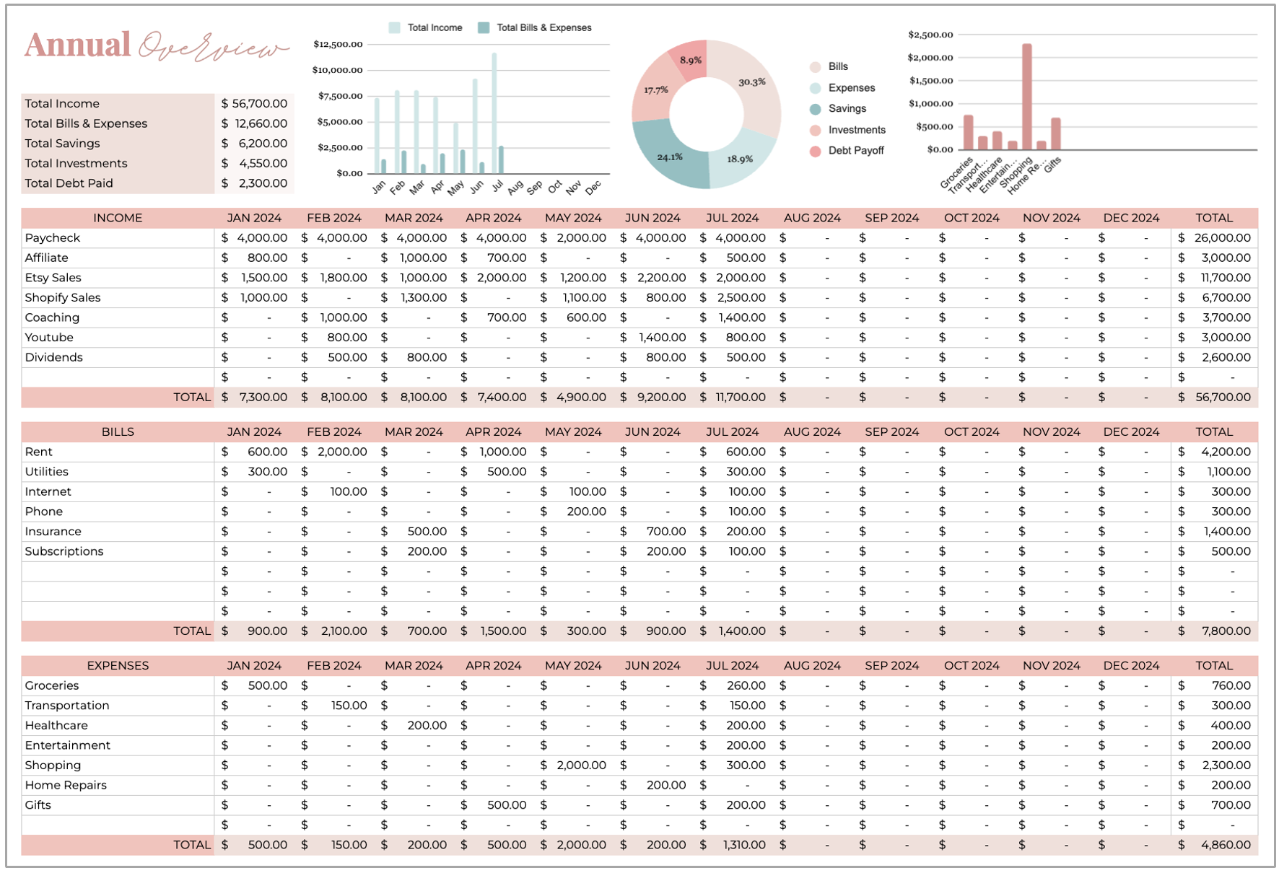
 |  |  |  |  |  |  | This chart shows your annual
 |  |  |  |  |  | ⬅ | expenses by category.

 | Monthly Overview tab

 | The Monthly Overview tab is completely automated, it will take all the data you filled in the Categories, Income and Transactions tabs.
 | ⚠️ Please do not type in this tab.

 | To select the month click on the small arrow ⬇ on the right side of cell B8.
 | Then select one of the months from the dropdown (they'll update depending on the year & month chosen in the 'Categories' tab).

 | Here you’ll find the following information for the month that is chosen:

 | - Summary for a selected month
 | - Income by category & total income
 | - Bills by category & total bills
 | - Expenses by category & total expenses
 | - Savings by category & total savings
 | - Investments by category & total investments
 | - Debt payments by category & total debt payments

 |  | This chart shows your total income, |  | This chart shows your |  | This chart shows your
 |  | compared to bills & expenses |  | spending breakdown in % |  | income by category in %
 |  | (for a selected month). |  | (for a selected month). |  | (for a selected month).

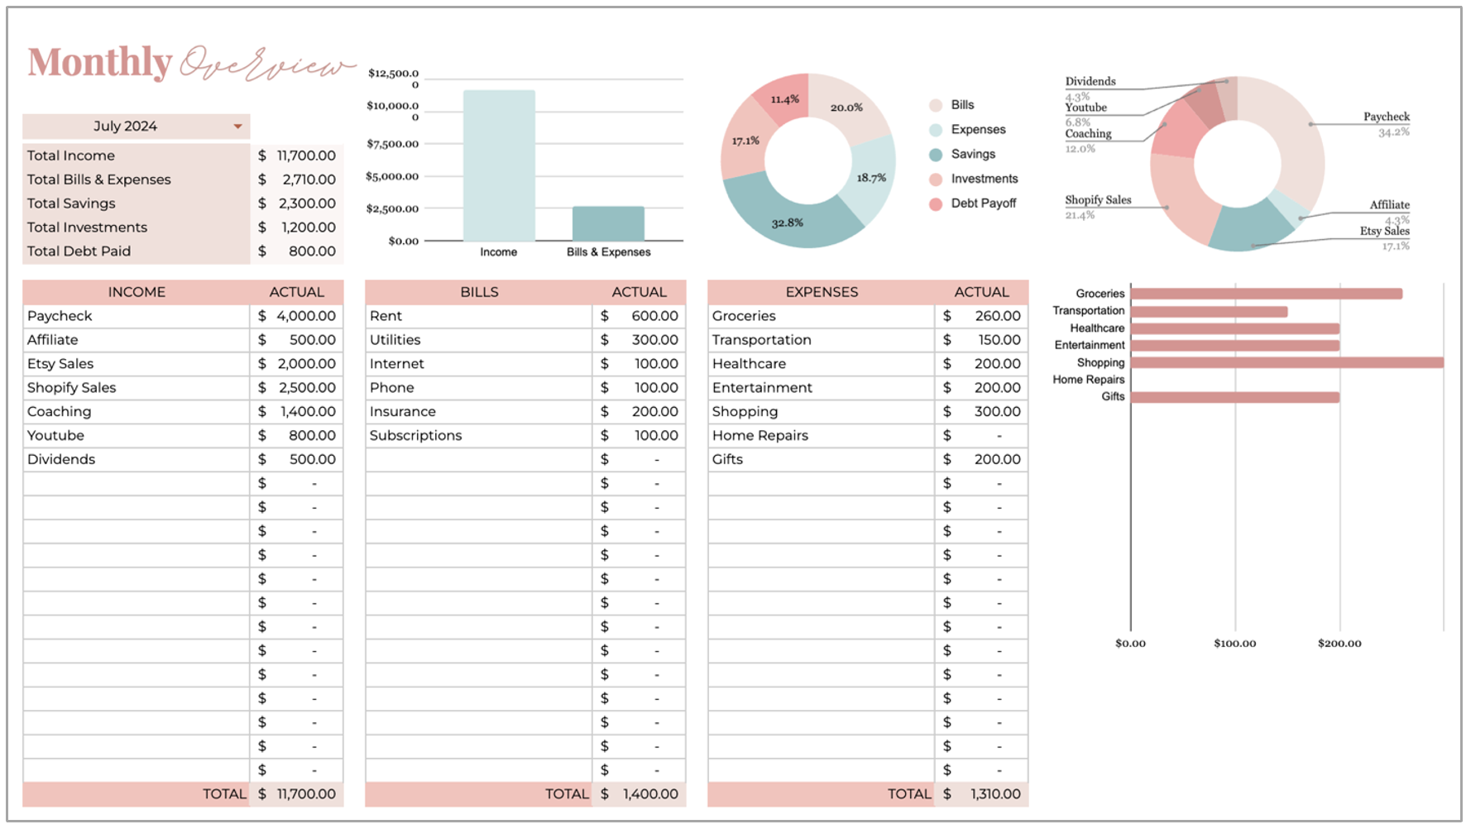

 |  |  |  |  |  |  | ⬅
 |  |  |  |  |  |  | This chart shows your
 |  |  |  |  |  | ⬅ | expenses by category
 |  |  |  |  |  |  | (for a selected month).

 | Monthly Budget tab

 | The Monthly Budget tab is completely automated, it will take all the data you filled in the Annual Budget, Income & Transactions tabs.
 | ⚠️ Please do not type in this tab.

 | To select the month click on the small arrow ⬇ on the right side of cell B8.
 | Then select one of the months from the dropdown (they'll update depending on the year & month selected in the 'Categories' tab).

 | Here you’ll find the following information for the month that is chosen:

 | - Summary for a selected month (budget, actual & variance).
 | - Budget, actual & variance amounts for each category

 |  |  | This chart shows your |  | This chart shows your
 |  |  | expected income, compared to |  | budget breakdown in %.
 |  |  | the actual income.

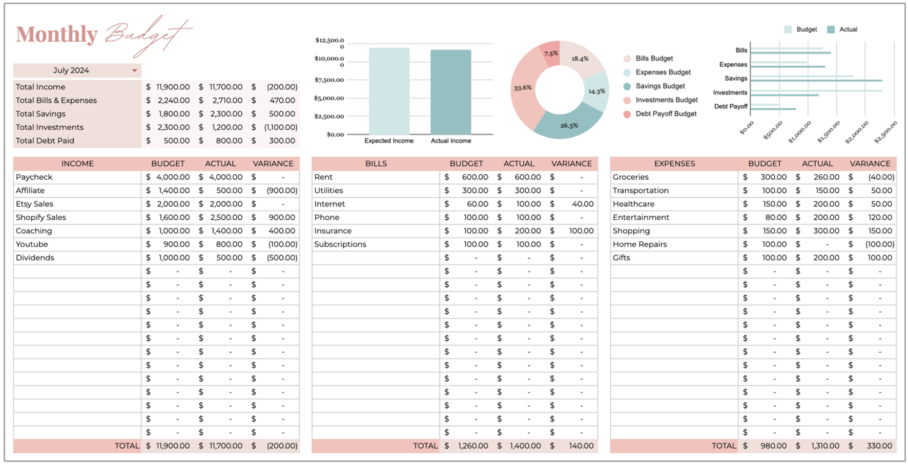

 |  |  |  |  |  |  |  | This chart shows your budget,
 |  |  |  |  |  |  | ⬅ | compared to the actual amounts.

 | Protected cells

 | Some of the cells have been protected in this spreadsheet.
 | This is to make sure that the formulas that make the overview tabs work correctly cannot be accidentally deleted or overwritten.

 | If you accidentally type over the cell that is protected, you'll see a warning. Simply click 'Cancel'.

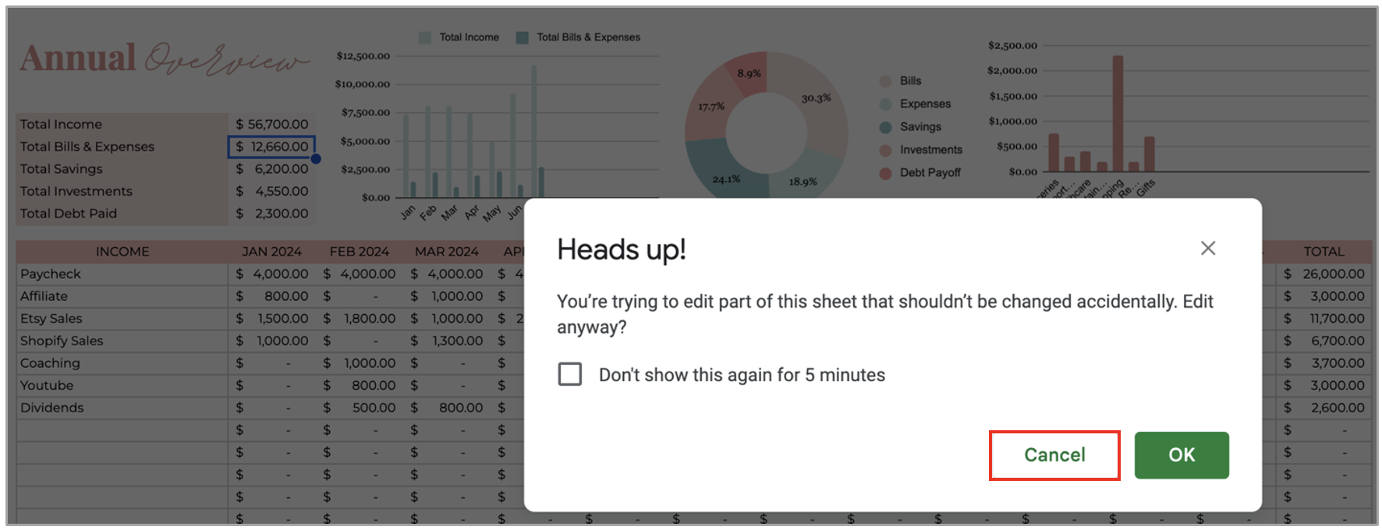

 | Save More Money

Monthly Overview
Monthly

2025-03-01

Total Income | ₹1,010,000.00
Total Bills & Expenses | ₹9,900.00
Total Savings | ₹3,120.00
Total Investments | ₹7,400.00
Total Debt Paid | ₹5,880.00

INCOME | ACTUAL | BILLS | ACTUAL | EXPENSES | ACTUAL
Salary | ₹60,000.00 | Rent | ₹500.00 | Groceries | ₹500.00
Rent Income | ₹500,000.00 | Electricity | ₹500.00 | Transportation | ₹600.00
Business Income | ₹300,000.00 | Internet | ₹500.00 | Dairy Products | ₹600.00
Freelance Income | ₹50,000.00 | Gas Cylinder | ₹500.00 | Petrol | ₹600.00
FD Interest | ₹50,000.00 | Insurance | ₹500.00 | Shopping | ₹600.00
Side Hustle | ₹50,000.00 | Subscriptions | ₹500.00 | Home Repairs | ₹600.00
 | ₹0.00 | Water Bill | ₹500.00 | Car/Bike Maintenance | ₹600.00
 | ₹0.00 | Phone | ₹500.00 | Healthcare | ₹600.00
 | ₹0.00 |  | ₹0.00 | Entertainment | ₹600.00
 | ₹0.00 |  | ₹0.00 | Gym Membership | ₹600.00
 | ₹0.00 |  | ₹0.00 | Household Items | ₹0.00
 | ₹0.00 |  | ₹0.00 |  | ₹0.00
 | ₹0.00 |  | ₹0.00 |  | ₹0.00
 | ₹0.00 |  | ₹0.00 |  | ₹0.00
AMOUNT LEFT IN ACCOUNT
 | ₹0.00 |  | ₹0.00 |  | ₹0.00
 | ₹0.00 |  | ₹0.00 |  | ₹0.00
 | ₹0.00 |  | ₹0.00 |  | ₹0.00
 | ₹0.00 |  | ₹0.00 |  | ₹0.00
 | ₹0.00 |  | ₹0.00 |  | ₹0.00
 | ₹0.00 |  | ₹0.00 |  | ₹0.00
TOTAL | ₹1,010,000.00 | TOTAL | ₹4,000.00 | TOTAL | ₹5,900.00

SAVINGS | ACTUAL | INVESTMENTS | ACTUAL | DEBT PAYOFF | ACTUAL | AMOUNT LEFT IN ACCOUNT | ACTUAL
House | ₹1,000.00 | Real Estate | ₹1,240.00 | Home Loan | ₹1,840.00 | Paypal | ₹109,000.00
Emergency Fund | ₹1,000.00 | Gold | ₹1,360.00 | Credit Card | ₹1,960.00 | Cash | ₹549,000.00
Travel | ₹1,120.00 | FD | ₹1,480.00 | EMI | ₹2,080.00 | Credit Card | ₹299,000.00
 | ₹0.00 | Stock Market | ₹1,600.00 |  | ₹0.00 | New Bank | ₹49,000.00
 | ₹0.00 | Mutual Funds | ₹1,720.00 |  | ₹0.00 |  | ₹0.00
 | ₹0.00 |  | ₹0.00 |  | ₹0.00 |  | ₹0.00
 | ₹0.00 |  | ₹0.00 |  | ₹0.00 |  | ₹0.00
 | ₹0.00 |  | ₹0.00 |  | ₹0.00 |  | ₹0.00
 | ₹0.00 |  | ₹0.00 |  | ₹0.00 |  | ₹0.00
 | ₹0.00 |  | ₹0.00 |  | ₹0.00 |  | ₹0.00
 | ₹0.00 |  | ₹0.00 |  | ₹0.00 |  | ₹0.00
 | ₹0.00 |  | ₹0.00 |  | ₹0.00 |  | ₹0.00
 | ₹0.00 |  | ₹0.00 |  | ₹0.00 |  | ₹0.00
 | ₹0.00 |  | ₹0.00 |  | ₹0.00 |  | ₹0.00
 | ₹0.00 |  | ₹0.00 |  | ₹0.00 |  | ₹0.00
 | ₹0.00 |  | ₹0.00 |  | ₹0.00 |  | ₹0.00
 | ₹0.00 |  | ₹0.00 |  | ₹0.00 |  | ₹0.00
 | ₹0.00 |  | ₹0.00 |  | ₹0.00 |  | ₹0.00
 | ₹0.00 |  | ₹0.00 |  | ₹0.00 |  | ₹0.00
 | ₹0.00 |  | ₹0.00 |  | ₹0.00 |  | ₹0.00
TOTAL | ₹3,120.00 | TOTAL | ₹7,400.00 | TOTAL | ₹5,880.00 | TOTAL | ₹1,006,000.00

